Budget sheet 2024


University of Waikato |  |  |  |  |  |  | University of Newcastle
Partnership Seed Fund |  |  |  |  |  |  | Partnership Seed Fund
Project Budget |  |  |  |  |  |  | Project Budget

Lead Investigator/Project lead |  |  |  | Dept/School: |  |  | Lead Investigator/Project lead |  |  |  | Unit/School:

Project Title: |  |  |  |  |  |  | Project Title:

1.Non Personnel Costs (e.g. materials, research, travel) |  |  |  |  |  |  | 1.Non Personnel Costs (e.g. materials, research, travel)

Fieldwork/Data Collection | No. trips | No. people | Average cost per person |  |  | Cost | Fieldwork/Data Collection | No. trips | No. people | Average cost per person |  |  | Cost
Travel (internal, international, visas etc) |  |  |  |  |  | $0 | Travel |  |  |  |  |  | AUD 0.00
Accommodation |  |  |  |  |  | $0 | Accommodation |  |  |  |  |  | AUD 0.00

 | Description |  | Cost |  |  | Cost |  | Description |  | Cost |  |  | Cost
Materials and consumables |  |  |  |  |  | $0 | Materials and consumables |  |  |  |  |  | AUD 0.00
Survey costs |  |  |  |  |  | $0 | Survey costs |  |  |  |  |  | AUD 0.00
Other (e.g. transcription; |  |  |  |  |  | $0 | Other (e.g. transcription; |  |  |  |  |  | AUD 0.00
please detail) |  |  |  |  |  | $0 | please detail) |  |  |  |  |  | AUD 0.00

Sampling |  |  |  |  |  |  | Sampling
Analysis Costs | No. samples |  | Cost per sample |  |  | Cost | Analysis Costs | No. samples |  | Cost per sample |  |  | Cost
 |  |  |  |  |  | $0 |  |  |  |  |  |  | £0.00

 | Description |  | Cost |  |  | Cost |  | Description |  | Cost |  |  | Cost
Māori engagement (e.g. cultural guidance; hui; wānanga; koha for participants/marae) |  |  |  |  |  | $0 | Indigenous engagment |  |  |  |  |  | AUD 0.00
Collaboration costs (e.g. Mātauranga Māori expert for domain guidance; expert professional services) |  |  |  |  |  | $0 | Collaboration costs (e.g.expert professional services) |  |  |  |  |  | AUD 0.00
Minor equipment (max $2k) |  |  |  |  |  | $0 | Minor equipment (max 1k) |  |  |  |  |  | AUD 0.00
Other materials and consumables |  |  |  |  |  | $0 | Other materials and consumables |  |  |  |  |  | AUD 0.00
Other travel / subsistence |  |  |  |  |  | $0 | Other travel / subsistence |  |  |  |  |  | AUD 0.00
Other costs |  |  |  |  |  | $0 | Other costs |  |  |  |  |  | AUD 0.00
(please feel free to add more lines as needed) |  |  |  |  |  |  | (please feel free to add more lines as needed)
 |  |  |  |  | Total Operating Costs | $0 |  |  |  |  |  | Total Operating Costs | AUD 0.00

2. Personnel Costs (see note) |  |  |  |  |  |  | 2. Personnel Costs (see note)

Casual Staff (Please refer to the Casual Individual Employment Agreement for an appropriate rate for the work to be undertaken) |  |  |  |  |  |  | Casual Staff (Please refer to the Casual Individual Employment Agreement for an appropriate rate for the work to be undertaken)
Name | Position | Hourly rate | No. hours |  |  | Cost (Including holiday pay, ACC etc) | Name | Position | Hourly rate | No. hours |  |  | Cost (Including holiday pay etc)
 |  |  |  |  |  | $0 |  |  |  |  |  |  | AUD 0.00
 |  |  |  |  |  | $0 |  |  |  |  |  |  | AUD 0.00
 |  |  |  |  |  | $0 |  |  |  |  |  |  | AUD 0.00
 |  |  |  |  | Total | $0 |  |  |  |  |  | Total | AUD 0.00
Fixed-Term Staff (Please advise your Faculty Manager or nominee that you intend to employ a fixed-term staff member) |  |  |  |  |  |  | Fixed-Term Staff (Please advise your School Manager or nominee that you intend to employ a fixed-term staff member)
Name | Position | Annual salary rate | Days per week |  | No. weeks | Cost (Including holiday pay ACC etc) | Name | Position | Annual salary rate | Days per week |  | No. weeks | Cost (Including holiday pay etc)
 |  |  |  |  |  | $0 |  |  |  |  |  |  | AUD 0.00
 |  |  |  |  |  | $0 |  |  |  |  |  |  | AUD 0.00
 |  |  |  |  |  | $0 |  |  |  |  |  |  | AUD 0.00
 |  |  |  |  | Total | $0 |  |  |  |  |  | Total | AUD 0.00
Students |  |  |  |  |  |  | Students
Name | Level | Stipend per month | No. months |  |  | Cost | Name | Level | Stipend per month | No. months |  |  | Cost
 |  |  |  |  |  | $0 |  |  |  |  |  |  | AUD 0.00
 |  |  |  |  | Total | $0 |  |  |  |  |  | Total | AUD 0.00

 |  |  |  |  | Total Personnel Costs | $0 |  |  |  |  |  | Total Personnel Costs | £0.00

3. Subcontracting |  |  |  |  |  |  | 3. Subcontracting
Name of Organisation | Name of AI | FTE | Cost |  |  | Cost | Name of Organisation | Name of AI | FTE | Cost |  |  | Cost
 |  |  |  |  |  | $0 |  |  |  |  |  |  | AUD 0.00

 |  |  |  |  | Total Subcontracing Costs | $0 |  |  |  |  |  | Total Subcontracing Costs | AUD 0.00

TOTAL PROJECT COSTS |  |  |  |  |  | $0 | TOTAL PROJECT COSTS |  |  |  |  |  | AUD 0.00

4. Co-funding (funding that will be received from other parties to support this project) |  |  |  |  |  |  | 4. Co-funding (funding that will be received from other parties to support this project)
Name of Organisation | Description |  | Amount |  |  | Co-funding | Name of Organisation | Description |  | Amount |  |  | Co-funding
 |  |  |  |  |  | $0 |  |  |  |  |  |  | AUD 0.00

 |  |  |  |  | Total Co-funding | $0 |  |  |  |  |  | Total Co-funding | AUD 0.00

FUNDING REQUESTED FROM WAIKATO |  |  |  |  |  | $0 | FUNDING REQUESTED FROM NEWCASTLE |  |  |  |  |  | AUD 0.00

 |  |  |  |  |  | Combined total in AUD
 |  |  |  |  |  | $0.00
 |  |  |  |  |  | (will auto calculate from the two totals)
 |  |  |  |  |  | (based on exchange rate of 0.92)

Eligible costs
Refer to Guidelines for Applicants
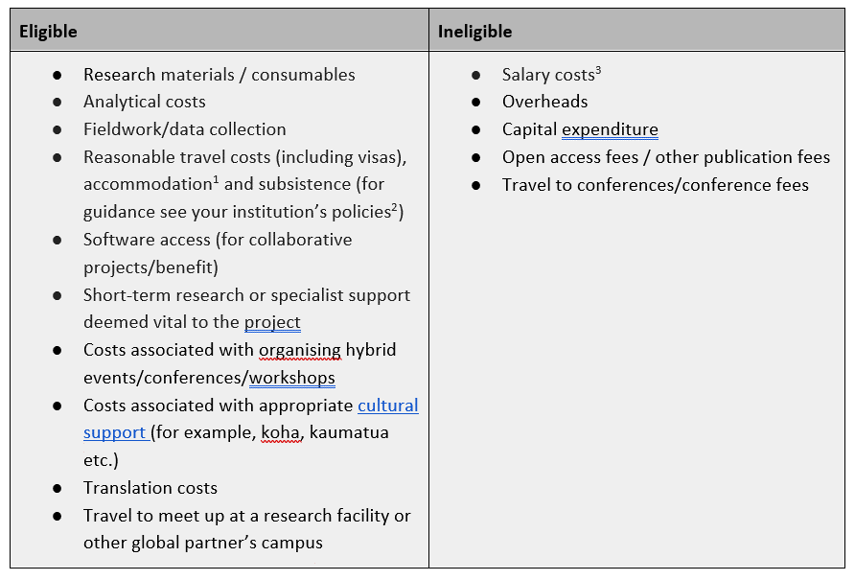

[1] Accomodation costs are to be included in the budget of the home institution. For example, a Waikato staff member travelling to Newcastle needs to include accomodation costs in the Waikato budget.
[2] The seed fund will cover flights in economy class.
[3] The fund is not intended to cover staff costs or time, or to fund fixed term contract extensions
Whereas staff salary costs are not eligible to be funded – costs for very short-term research or specialist support, vital to the success of the project will be considered i.e costs to employ students and / or research assistants in support of the PI / project

The maximum value of each project is $15,000 (AUD). Funding will not be transferred between organisations, so activities delivered at UoN or at UoW will be funded by the relevant host organisation.
The total funding pool available for 2024 is $100,000 (AUD).
Funding requests do not need to be matched equally up to the value of 15,000 but full funding requests from one partner are only likely or be considered in exceptional circumstances.

